Sheet1
Image | Brand | Style Code | Description | 3 | 3.5 | 4 | 4.5 | 5 | 5.5 | 6 | 6.5 | 7 | 7.5 | 8 | 8.5 | 9 | Qty
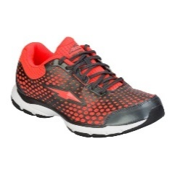 | Avia | AVIA1 | Womens Cross Training Shoe | 9 | 6 | 9 | 2 | 41 | 39 | 52 | 49 | 52 | 10 | 11 | 11 | 38 | 329
 | Avia | AVIA14 | Womens Cross Training Shoe | 7 | 12 | 23 | 20 | 125 | 177 | 253 |  | 244 | 90 | 162 | 1 | 38 | 1,152
 | Avia | AVIA4 | Womens Cross Training Shoe | 26 | 25 | 136 | 166 | 316 | 395 | 504 | 467 | 360 | 195 | 248 | 48 | 70 | 2,956
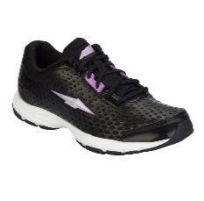 | Avia | AVIA5 | Womens Cross Training Shoe |  |  | 17 | 6 | 13 | 73 | 98 | 188 | 92 | 120 | 78 | 22 | 46 | 753
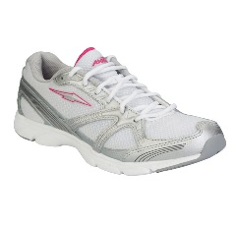 | Avia | AVIA7 | Womens Cross Training Shoe |  |  | 55 | 92 | 125 | 182 | 54 | 211 | 96 | 89 | 86 |  | 13 | 1,003
 |  |  |  |  |  |  |  |  |  |  |  |  |  |  |  |  | 6,193

